Application Screen


Test Case 3
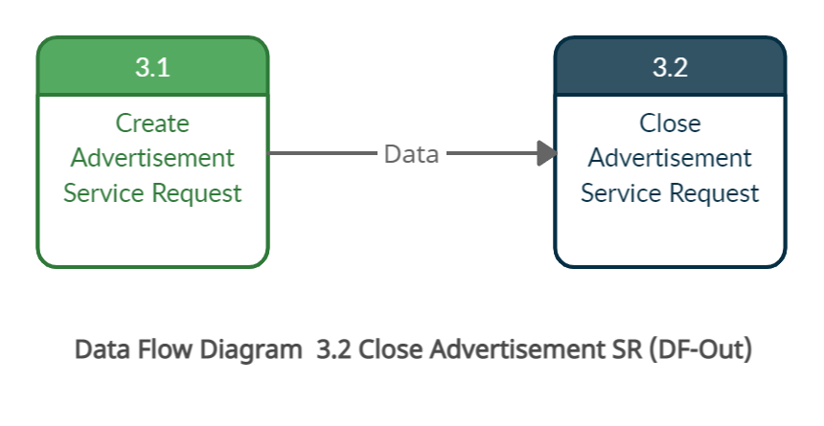
TC Title: | TC3 3.1 Create Advertisement SR - Data-flow-out

TC Objective: | This test case validates that the data from feature 1.1 create an account flows into feature 3.1 Create an advertisement and the data is stored in the database.

TC Description
 | Step | Step Description | Expected Results
 | 1 | User logs in with the valid credentials | Log in should be sucessfull.
 | 2 | Click on the Advertisement tab on top. | User should land on the advertisement form page.
 | 3 | Fill in the form and click on submit. | System should display a message saying Submitted Successfully.
 | 4 | Click on OK | User should land on a new advertisement form page
 | 5 | Go to the homepage by clicking on Service General logo. | User should be able to check the created advertisement on the Deals section.

